Result
# SPRECTROMETER ANALYSIS |  | # CORNEOMETER ANALYSIS

# Improvement after (15-20min) of application of the product |  | # Improvement after (15-20min) of application of the product

LEFT_CHEEK | RIGHT_CHEEK

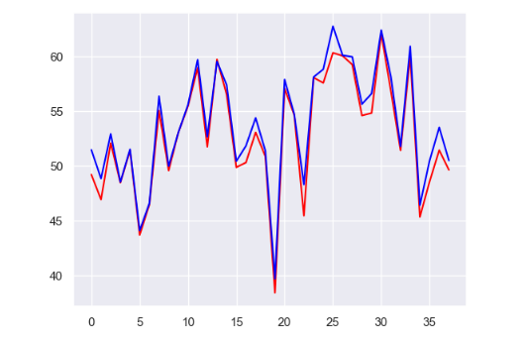
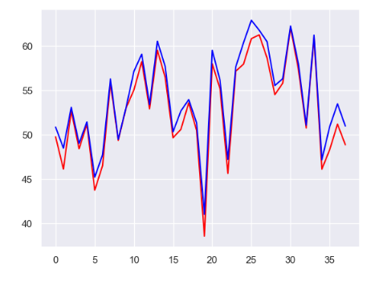
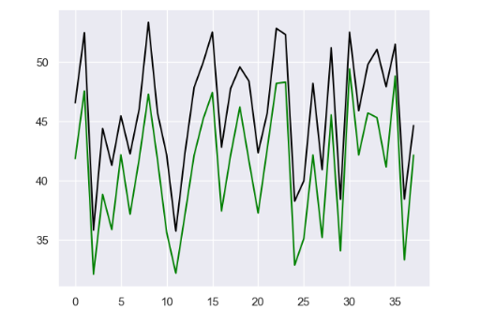

# Improvement after 7 DAYS of application of the product

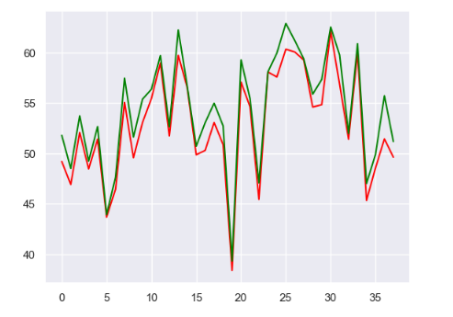
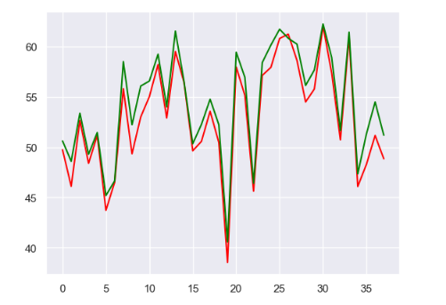
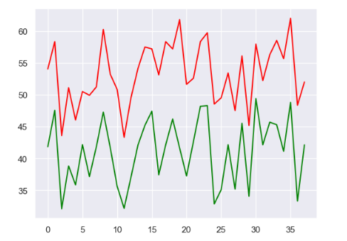

# Improvement after 14 DAYS of application of the product

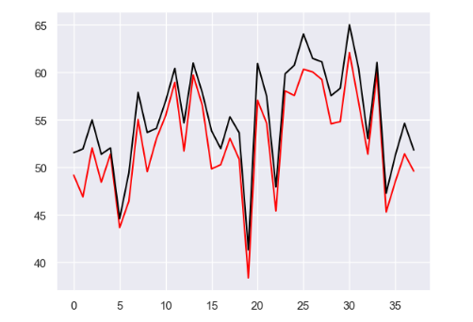
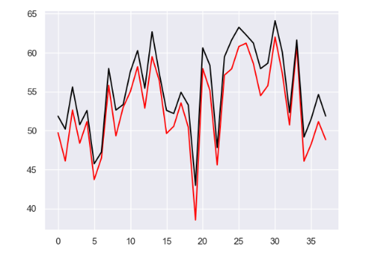
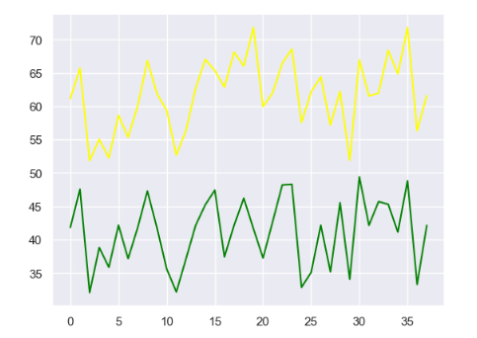

From the given dataset, The above graphs shows that , after 14 DAYS of application of the product there is an improvement in BRIGHTNESS of skin. |  | From the given dataset, The above graphs shows that , after 14 DAYS of application of the product there is an significant difference in HYDRATION of skin.

